Part-1 Fundamental anlysis
 | Part I: Past three-year analysis – Fundamental financials of the company

A | Evaluation criteria (FY 20, 21, and 22): Prepare a table keeping variables in the first column followed by FYs.

I | Industry Classification | Publishing
 | Age of company | 104 years

II | Variables | FY22 | FY21 | FY20 | Company Average | Industry Average
 | P/E ratio | 7.99 | 6.34 | 7.63 | 7.32 | 10.2167
 | Tobin’s-q ratio | 0.01 | 0.02 | 0.02 | 0.017 | 0.016
 | EBITDA / Total Assets (%) | 12.93 | 22.75 | 26.13 | 20.60 | 9.76
 | Enterprise Value / EBITDA | 6.13 | 3.71 | 1.63 | 3.82 | -0.75
 | Intangible assets / Total assets (%) | 3.1 | 3.24 | 3.51 | 3.28 | 1.97
 | Dividend yield (%) | 0.00 | 0.00 | 0.00 | 0.00 | 1.88
 | Total liabilities / Total Assets (%) | 22.2 | 24.8 | 27.2 | 24.73 | 28.23
 | Long-term debt / Total Assets (%) | 0.72 | 2.35 | 4.21 | 2.43 | 0.14
 | Total asset turnover | 0.31 | 0.33 | 0.41 | 0.35 | 0.5767
 | Return on assets (%) | 1.85 | 3.29 | 6.05 | 3.73 | 7.68
 | Growth rate in sales (%) | 12.16 | -21.28 | -7.66 | -5.59 | 12.77
 | Net Profit margin (%) | 5.43 | 10.46 | 14.95 | 10.28 | 11.4217
 | Operating Profit Margin | 8.47 | 17.17 | 22.28 | 15.97 | 17.49
 | Return on Equity (as measured by DuPont ) | 2.55 | 4.38 | 7.68 | 4.87 | 12.94
 | Free cash flows | 52.18 | 152.93 | 121.11 | 108.74 | 175.53 Cr.


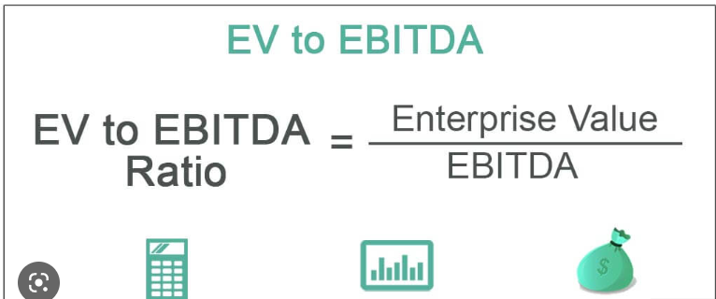
 |  | P/E Ratio |  | Enterprise Value/EBITDA
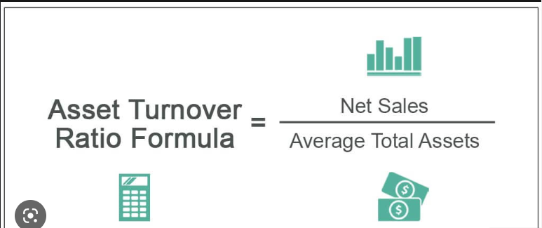

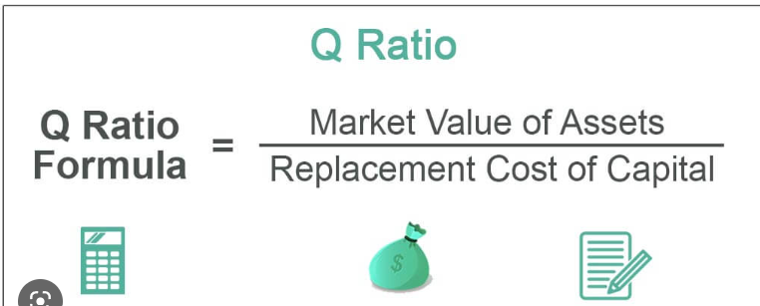
 |  | Tobin's Q Ratio
 |  |  |  | Dividend yield

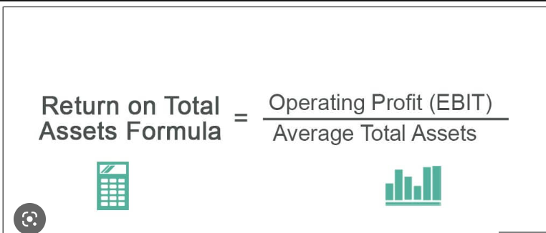

 |  | DUPONT ANALYSIS

FCF
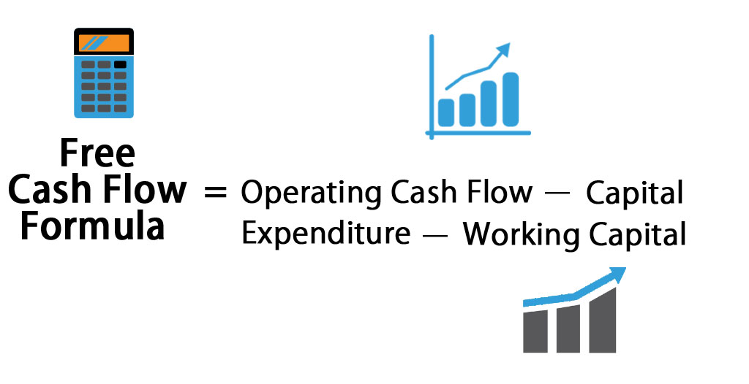
 |  |  |  |  |  | Free Cash Flow Calculation
 | Operating Cash Flows Calculation
 | 2022 | 2021 | 2020
Sales Revenue | 746.9 | 663.1 | 904.5
Operating Expenses | 660.3 | 539 | 696.5
EBITDA | 86.6 | 124.1 | 208
Depriciation/Ammortization | 29.8 | 30.4 | 30.7
EBIT | 56.8 | 93.7 | 177.3
Tax (20%) | 11.36 | 18.74 | 35.46
NOPAT (EBIT*(1-T)) | 45.44 | 74.96 | 141.84
Depriciation | 29.8 | 30.4 | 30.7
Operating CF | 75.24 | 105.36 | 172.54 |  | Free Cash Flows = Operating CF - Change in NOWC-Change in PPE
 |  |  |  |  | Operating CF = NOPAT + Depriciation
 |  |  |  |  | Change in NOWC = Change in Current Assets- Change in Current Liabilities
 | Net Operating Working Capital and CAPEX Calculation |  |  |  | CAPEX = Change in Property ,Plant and Equipment
 | 2022 | 2021 | 2020 | 2019
Current Assets | 190.76 | 181.23 | 223.18 | 222.38
Accounts Receivable | 110.6 | 124.3 | 167.85 | 166.72
Inventory | 77.4 | 54.33 | 46.51 | 44.3
Pre Paid Expenses | 2.76 | 2.6 | 8.82 | 11.36
Fixed Assets | 342.9 | 345.4 | 339.7 | 312.4

Current Liabilities | 80.47 | 96.50 | 85.18 | 108.51
Account Payable | 80.47 | 96.5 | 85.18 | 108.51
Accruals | 0.00 | 0.00 | 0.00 | 0
CF due to NOWC | 25.56 | -53.27 | 24.13 | -
CAPEX | -2.5 | 5.7 | 27.3 | -

 | FCF Calculation
 | 2022 | 2021 | 2020
OCF | 75.24 | 105.36 | 172.54
Δ NOWC | 25.56 | -53.27 | 24.13
CAPEX | -2.5 | 5.7 | 27.3
FCF | 52.18 | 152.93 | 121.11

Du Pont Analysis
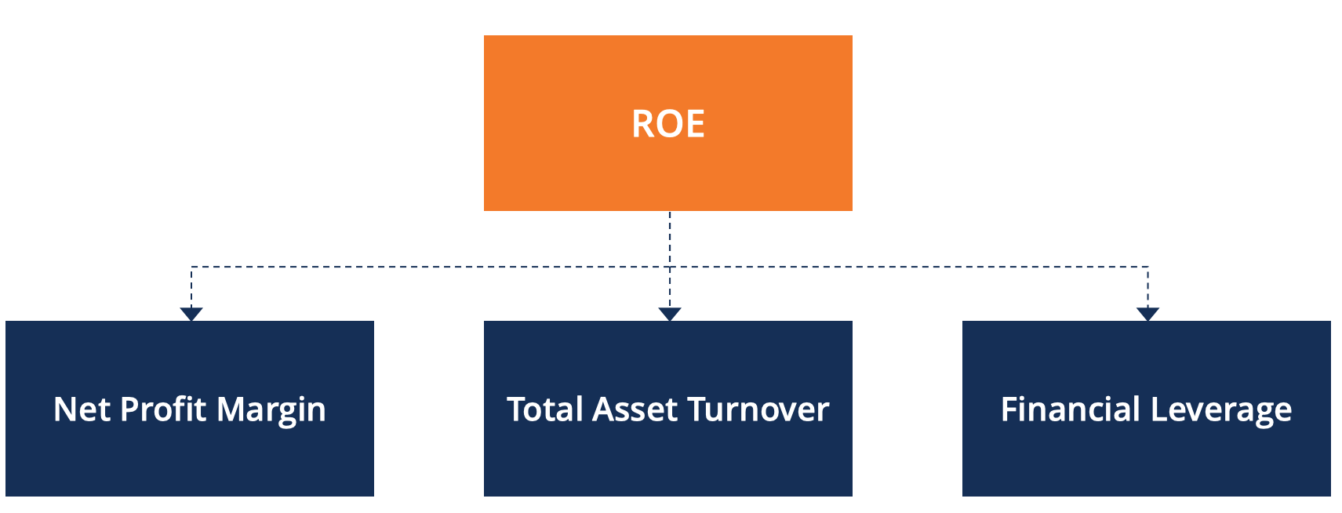
 |  | DU PONT ANALYSIS
 | Last 3 years Company's Data (crores)
 | 2022 | 2021 | 2020
Net Income | 40.6 | 69.4 | 116.3
Sales | 746.9 | 663.1 | 904.5
Total Assets | 2183.8 | 2107.6 | 1951.4
Total Equity | 1589.8 | 1585 | 1514.2

Net Profit Margin (%) | 5.436 | 10.466 | 12.858
Total Asset Turnover (%) | 34.202 | 31.462 | 46.351
Financial Leverage | 1.374 | 1.330 | 1.289
ROE (%) | 2.554 | 4.379 | 7.681 | Return on Equity = Net Profit Margin * Asset Turnover * Financial Leverage
 |  |  |  | Net Profit Margin = Net Income / Sales Revenue
 |  |  |  | Asset Turnover = Sales Revenue / Total Assets
 |  |  |  | Financial Leverage = Total Assests / Total Equity

